Sheet1
Pallet | Item Description | Inners | Outers | Quantity | Barcode | RRP (£) | RRP X Quantity | Photo
704 | Mirror Pencil | 100 | 4 | 2584 | 5054026905257 | 1.5 | 3876
704 | Green Gird Neon Ringbinder | 4 | - | 36 | 5054026938422 | 4.5 | 162 | 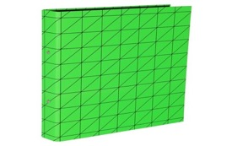
704 | Dolphin Charm Pen | 6 | 50 | 1896 | 5054026897842 | 2.5 | 4740 | 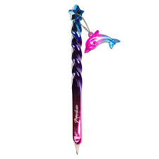
704 | Jumbo Rainbow Eraser | 4 | 40 | 724 | 5054026902072 | 2.5 | 1810
704 | Violet Bullet Tip Pen | 4 | 80 | 5364 | 5054026616603 | 1 | 5364
704 | Dog n Puppy Clip Pen | 6 | 40 | 708 | 5054026935315 | 8 | 5664 | 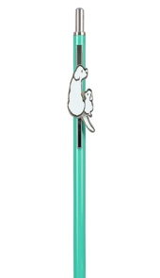
704 | BD Character Clips | 5 | 20 | 660 | 5054026867418 | 4 | 2640 | 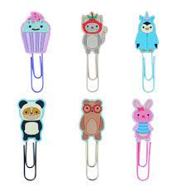
704 | Llama Ballpoint | 6 | 60 | 504 | 5054026896678 | 3 | 1512
704 | ED Squishy Sticker | 12 | 48 | 432 | 5054026875833 | 1.5 | 648 | 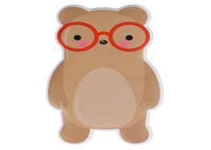
704 | Black Marker Ringbiner | 4 | - | 60 | 5054026938439 | 4.5 | 270
784 | Cloud Unicorn | 12 | 12 | 1320 | 5054026899914 | 4 | 5280 | 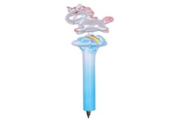
784 | A6 Black PP WTV 21 | 4 | 12 | 432 | 5054026944102 | 6 | 2592 | 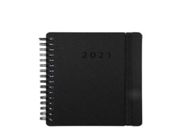
784 | Slim Bold Floral PP WTV 21 | 4 | 12 | 580 | 5054026944065 | 6 | 3480 | 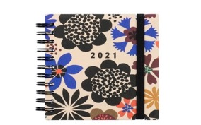
784 | Spring Roses Metal Pen | 6 | 66 | 2220 | 5054026899945 | 5 | 11100 | 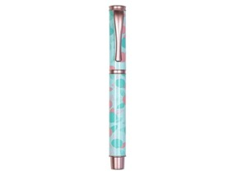
784 | Black Cat Pom Pen | 6 | 20 | 834 | 5054026941187 | 3 | 2502
784 | Marble Metal Pen | 6 | 66 | 1050 | 5054026899938 | 5 | 5250 | 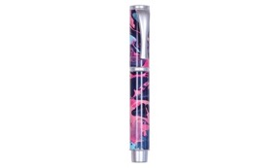
925 | 5PK Neon BP Pens | 6 | 24 | 234 | 5054026930808 | 5 | 1170 | 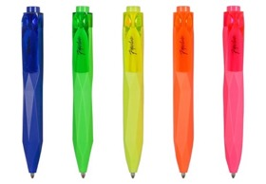
925 | MW Slime Blue Ringbinder | 2 | 24 | 80 | 5054026893646 | 4.5 | 360 | 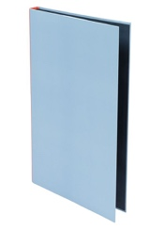
748 | Paperclip with Sticky Tabs | 3 | 12 | 870 | 5054026901921 | 4 | 3480 | 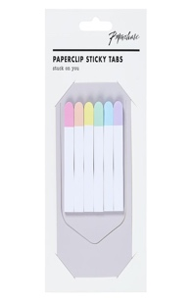
748 | Graphic Dandelion Kraft LAG | 4 | 12 | 80 | 5054026938293 | 5.5 | 440 | 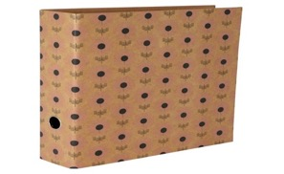
748 | M Noto Acqua DTV | 2 | 40 | 40 | 5054026958543 | 14 | 560 | 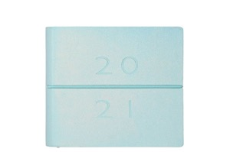
777 | Dark Floral Slim Case | 3 | 20 | 354 | 5054026940272 | 6 | 2124
777 | BDT Pip Charm Ballpoint | 6 | 60 | 324 | 5054026927198 | 3.5 | 1134
777 | Tinsel Top Pen | 6 | 24 | 528 | 5054026937715 | 5 | 2640
777 | A6 Black Marker PP WTV 21 | 4 | 12 | 56 | 5054026944034 | 6 | 336
777 | Compact Terrazzo PP WTV 21 | 4 | 18 | 396 | 5054026943990 | 5 | 1980
777 | Pink Ombre Mechanical Pen | 6 | 48 | 786 | 5054026898368 | 5 | 3930
777 | Neon Yellow Giant Sticky Notes | 8 | 6 | 654 | 5054026955436 | 3.5 | 2289
777 | Purple Metal Mechanical Pen | 6 | 48 | 1554 | 5054026897934 | 5 | 7770
731 | In Work Play Home Journal | 3 | 8 | 171 | 5054026576846 | 14 | 2394
731 | Butterfly Bright Twist Pen Blu | 6 | 40 | 1878 | 5054026479765 | 7 | 13146
731 | Food for Thought Recipe Book | 3 | 8 | 165 | 5054026492627 | 16 | 2640 | 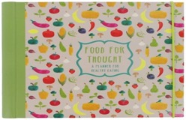
731 | Jigsaw Dino Eraser | 6 | 18 | 1098 | 5054026853855 | 4 | 4392 | 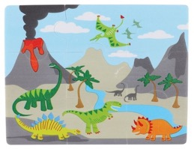
963 | BD Pip Face Change Pen | 6 | 48 | 3732 | 5054026863588 | 6 | 22392 | 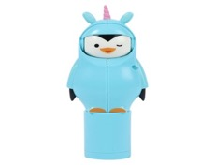
963 | Elephant Pom Pom Pen | 6 | 48 | 702 | 5054026885177 | 3.5 | 2457 | 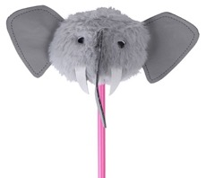
843 | Pencil Top Erasers X10 | 3 | 72 | 1935 | 5054026915737 | 2 | 3870
843 | Love Wire Top Twist Pen | 6 | 48 | 2064 | 5054026899211 | 5 | 10320 | 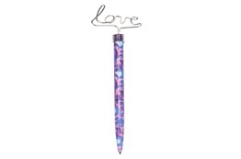
843 | BDT Boo Charm Ballpoint | 6 | 60 | 672 | 5054026927181 | 3.5 | 2352 | 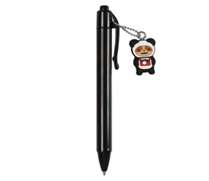
843 | W Blue Dot Ticket Wallet | 4 | 30 | 588 | 5054026892502 | 3.5 | 2058
843 | A6 Bold Flowers PP | 4 | 12 | 608 | 5054026937050 | 4 | 2432 | 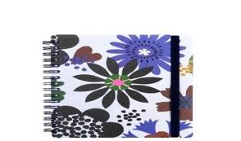
843 | Mini Agenzio White Flowers WTV21 | 4 | 12 | 60 | 5054026946762 | 8 | 480 | 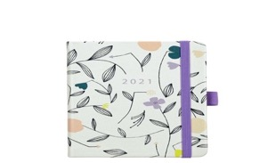
843 | Flamingo Topper Pom Pom Pen | 6 | 40 | 252 | 5054026897781 | 3.5 | 882 | 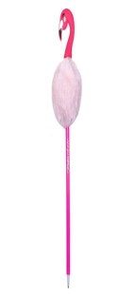
843 | Dog Faces Mechanical Pen | 6 | 48 | 1242 | 5054026897118 | 5 | 6210
843 | Panda Charm Ballpoint | 6 | 60 | 582 | 5054026896852 | 4 | 2328 | 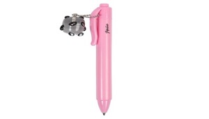
843 | UFO Multi Pen | 6 | 40 | 468 | 5054026897828 | 3.5 | 1638
843 | BDT Sticky Notebook | 3 | 32 | 1059 | 5054026928225 | 3.5 | 3706.5 | 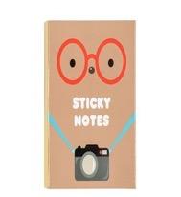
843 | Geo Pink Mini Instax | 3 | 32 | 153 | 5054026732709 | 3 | 459
794 | Ombre Liquid FP Pen | 6 | 48 | 1992 | 5054026937647 | 4 | 7968
794 | Pointed Blue Sticky Tabs | 3 | 22 | 66 | 5054026942214 | 3.5 | 231
794 | White Gel Pen | 6 | 48 | 2064 | 5054026600695 | 1 | 2064
794 | SY Sea Horse Plush | 3 | 12 | 258 | 5054026667841 | 10 | 2580
794 | Cuddly Unicorn Squishy Pen | 6 | 24 | 288 | 5054026937487 | 2.5 | 720
794 | Bunny Innovation 1h Sharpner | 25 | 6 | 150 | 315140176105 | 1.25 | 187.5 | 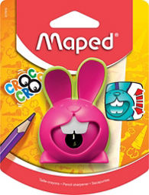
542 | Pink Phone Box Moodlight | 8 | - | 128 | 5054026868354 | 20 | 2560
993 | A5 Black PP WTV 21 | 4 | 6 | 1296 | 5054026944096 | 8 | 10368 | 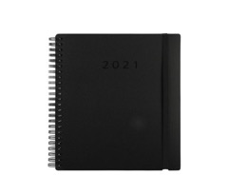
824 | Floral Pet Sticky Tabs | 3 | 32 | 632 | 5054026942146 | 3 | 1896 | 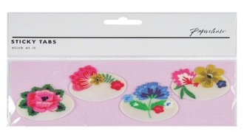
824 | Petrol Top Rose Gold Twist pen | 6 | 48 | 2016 | 5054026897873 | 5 | 10080 | 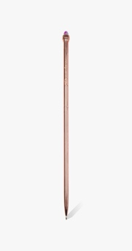
824 | Unicorn Topper Miulti Pen | 6 | 40 | 552 | 5054026938118 | 3.5 | 1932
824 | New Home Pgraphic PK10 | 4 | 60 | 472 | 5054026791591 | 5 | 2360
824 | M Agenzino White Flowers | 4 | 24 | 608 | 5054026946731 | 12 | 7296
824 | Retro Geo Twist Pen | 6 | 48 | 2208 | 5054026897927 | 6 | 13248
824 | Noto Small Oro Gold | 3 | 30 | 222 | 5054026925255 | 10 | 2220 | 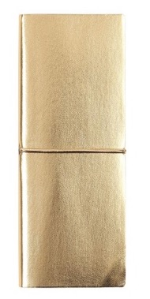
824 | 4 PK Dual High BP Pens | 6 | 24 | 60 | 5054026930839 | 4 | 240 | 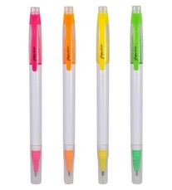
824 | A5 Brush Flowers WTV 21 | - | - | 4 | 5054026943570 | 8 | 32 | 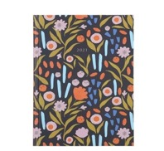
824 | Unicorn Multi Pen | 6 | 40 | 420 | 5054026897835 | 3.5 | 1470
796 | Starfish Coral Hair Clip | 3 | 24 | 480 | 5054026918356 | 3 | 1440
796 | Sealicorn 15cm Ruler | 3 | 90 | 3060 | 5054026918028 | 2.5 | 7650 | 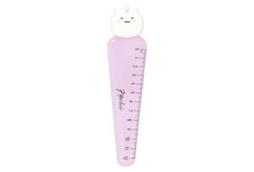
796 | Starfish Headband | 3 | 36 | 81 | 5054026918332 | 5 | 405
796 | BD Keyring Notebook ED | 6 | 28 | 534 | 5054026926597 | 3 | 1602
796 | Pastel Dog Plush Pen | 6 | 20 | 1302 | 5054026937708 | 3 | 3906
796 | Cat Enamel Badge Case | 3 | 24 | 609 | 5054026917779 | 6 | 3654
796 | A5 Fur Meerkat | 23 | - | 64 | 5054026855392 | 12 | 768 | 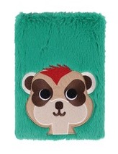
796 | A5 Raindrops WTV 21 | 4 | 6 | 308 | 5054026943518 | 8 | 2464 | 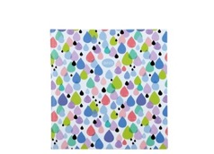
502 | Napkins Pastel Confetti | 5 | 16 | 490 | 5056275150686 | 4 | 1960
190 | Will You Be My Bridesmaid Jar | 4 | 24 | 1096 | 5054026905974 | 4 | 4384 | 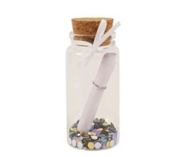
190 | DE Pen With Cap | 6 | 20 | 486 | 5054026879244 | 15 | 7290
190 | Hen Party Signage Garland | 5 | 18 | 375 | 5056275150266 | 6 | 2250
190 | Wedding Bride Cosmetic Bag | 3 | 24 | 522 | 5054026901600 | 8.5 | 4437 | 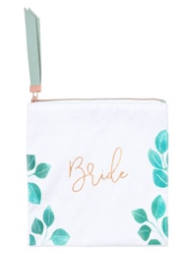
958 | Owl Fluffy Pen | 12 | 12 | 1320 | 5054026938088 | 3.5 | 4620 | 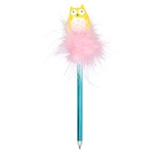
958 | Balloonicorn Pen | 6 | 40 | 912 | 5054026935346 | 7 | 6384 | 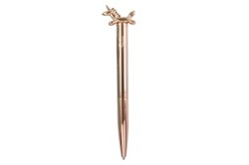
958 | A5 Flrl Kraft Calender Booklet | 4 | 12 | 332 | 5054026943860 | 6 | 1992
958 | Silicone Dino Pencil Case | - | - | 12 | 5054026835462 | 12 | 144 | 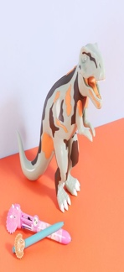
958 | Green A5 Weekly Goals Desk Pad | - | - | 8 | 5054026931911 | 5 | 40 | 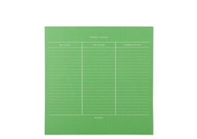
930 | A5 Fluffy Bunny Notebook | 6 | 6 | 424 | 5054026906919 | 12 | 5088 | 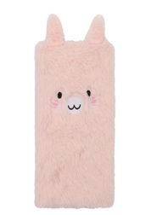
930 | White Hole Reinforced Stickers | 3 | 48 | 1260 | 5054026955153 | 1 | 1260
930 | Pink Large Binder Clips | 3 | 48 | 129 | 5054026917755 | 2.5 | 322.5
930 | Pink Unicorn Pom Pom Pen | 6 | 20 | 600 | 5054026897040 | 3 | 1800 | 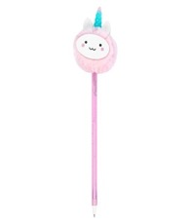
893 | Lazy Dog Fluffy Pen | 12 | 12 | 1272 | 5054026938095 | 3.5 | 4452
893 | Black Gel Pen | 48 | - | 2988 | 5054026600688 | 1 | 2988
893 | Orange Col Change Twist Pen | 6 | 48 | 1254 | 5054026897187 | 5 | 6270
893 | Bears Multi Pen | 6 | 40 | 1758 | 5054026938101 | 3 | 5274
893 | Confetti Mechanical Pen | 6 | 48 | 1632 | 5054026897149 | 5 | 8160 | 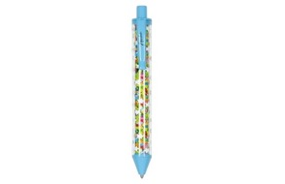
893 | Lasercut Butterfly SML | - | 12 | 40 | 5054026930648 | 7 | 280
290 | SK SML Metal Waterbottle | 4 | 6 | 184 | 5054026918202 | 12 | 2208
290 | Wifey Glass Mug | 4 | 12 | 220 | 5054026905745 | 9 | 1980 | 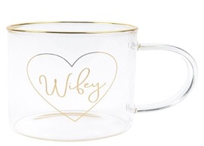
290 | EF Glitter Zip Lock Notebook | 8 | 6 | 56 | 5054026921479 | 12 | 672 | 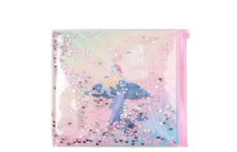
290 | SK Fabric Frame 4x6 | 4 | 12 | 132 | 5054026913993 | 15 | 1980
290 | Doodle Game | 12 | 2 | 132 | 5054026960683 | 7.5 | 990 | 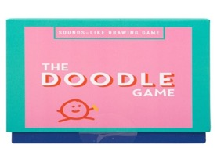
290 | Worlds Smallest Catch | 12 | n/a | 12 | 5060679332777 | 5 | 60 | 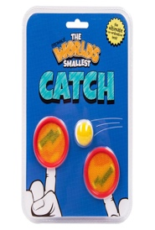

 |  |  |  |  |  | Total RRP | 335886.5

